README
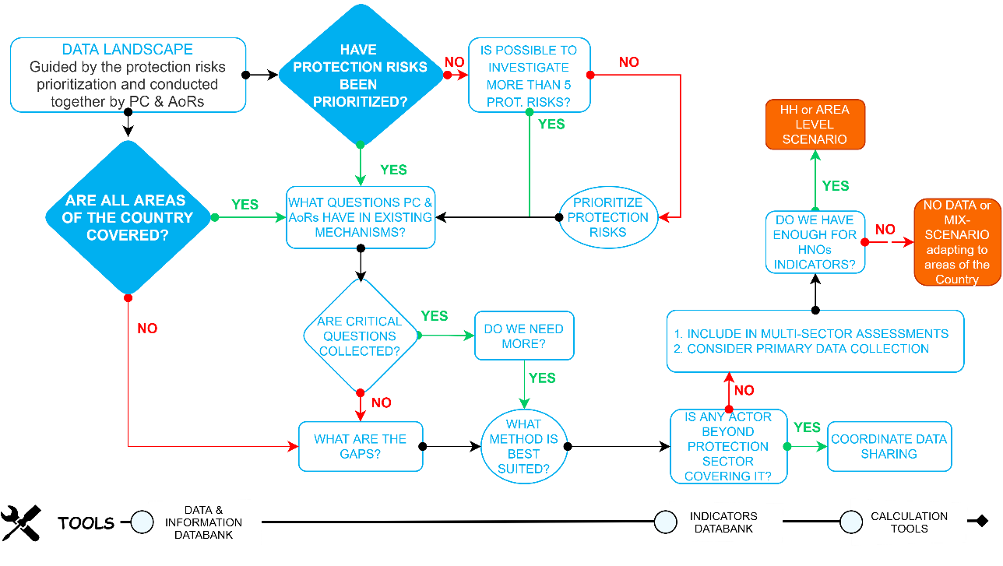
Harmonized Information Databank README

Overview

This guidance provide general indication on how to navigate this tool.
The tool set forth minimum information and data needs agreed between the Protection Cluster and its Areas of Responsibility
The tool is meant to be the starting point of any data landscape in a country, and the starting point of any specific contextualization
The tool is iterative. It will be revised jointly by the GPC and Global AoRs each year. The current version has been developed with the purpose of being used and tested in field operations to gather contextually relevant inputs to provide a more consistent harmonization. It has been finalized as of the 3rd of July, 2024 and will be reviewed at the end of 2024.

Getting Started

How to consider each component

PROTECTION RISKS
Primary Protection Risks |  | This provides the selection of the specific protection risks, to which each of the info and data is identified against.
Secondary Protection Risks |  | This provides another protection risks, for which the info and data may be relevant to
Other Protection Risks |  | This provides the interrelation with all other protection risks of the info and data
PROTECTION ANALYTICAL FRAMEWORK
PAF information needs and dimensions |  | This provide the corresponding part in the original PAF Analytical Plan
Comments for PAF category in analysis |  | This provides guidance on how to consider the information within the PAF.
INFO LANDSCAPE
Priority level |  | This defines the specific the level of importance of data and info against the primary protection risk
SECTOR / THEMATIC AREA |  | This provides the actor/area that should be consulted for the relevant info and data
Specific Information Need |  | This provides a generalized definition of info and data need (NB: Does not refer to the question to be asked)
PROTECTION NEEDS
Protection Needs Pillar |  | This guides on the relevancy of the info and data against the 3 pillars for HNOs
DATA SOURCES AND METHODS
Recommended Source of information |  | This provide the corresponding part in the original PAF Analytical Plan
*Several data methods |  | Several column provide the specific guidance for each data methods, indicating when some must not be used.

How to use the tool
0 | The Control_Panel provides a pivot analysis to filter information needs. Filter include PRIMARY PROTECTION RISKS, SECONDARY PROTECTION RISKS, OTHER PROTECTION RISKS, PRIORITY LEVEL, PRIMARY PAF PILLAR. The pivot does not include the questions. It is intended to simplify the type of information needs to investigate to then look into the main database to the related questions by method.
1 | Starting from the identification of the most critical protection risks for the joined-up protection analysis, preselect the PRIMARY PROTECTION RISKS to identify the related information and data needs.
2 | It is advisable to select within the PRIORITY LEVEL, the CRITICAL INFORMATION. This will retrieve the essential information and data to analyze the related protection risk, and this initial list should be used to guide the core data landscape.
3 | If the info and data needs is deem not sufficient or it is not generally available in known mechanisms: 1. Filter by EXPANDED to retrieve a longer list of information and data needs that can be used for the process or 2. Filter by SECONDARY PROTECTION RISKS or OTHER PROTECTION RISKS to identify other data and info that can support the analysis
4 | Once discussed the relevant info and data needs for the analysis, investigate the SECTOR / THEMATIC AREA to do an initial mapping of actors and stakeholders to engage to look for the info and data.
5 | Once the engagement plan is set, do carefully consider the RECOMMENDED SOURCE OF INFORMATION and the dedicated guidance on the DATA METHODS, to ensure the appropriate level of data responsibilit to ensure that data management activities are safe, ethical and effective (in line with IASC operational guidance on data responsibility).

Importante Notes
The tool is intended to streamline data landscape and to be contextualized. It is important to have proper justification on the selection of info and data need not included in it.
The tool has been developed in consultation with REACH and IOM DTM global data teams.

